Skewness
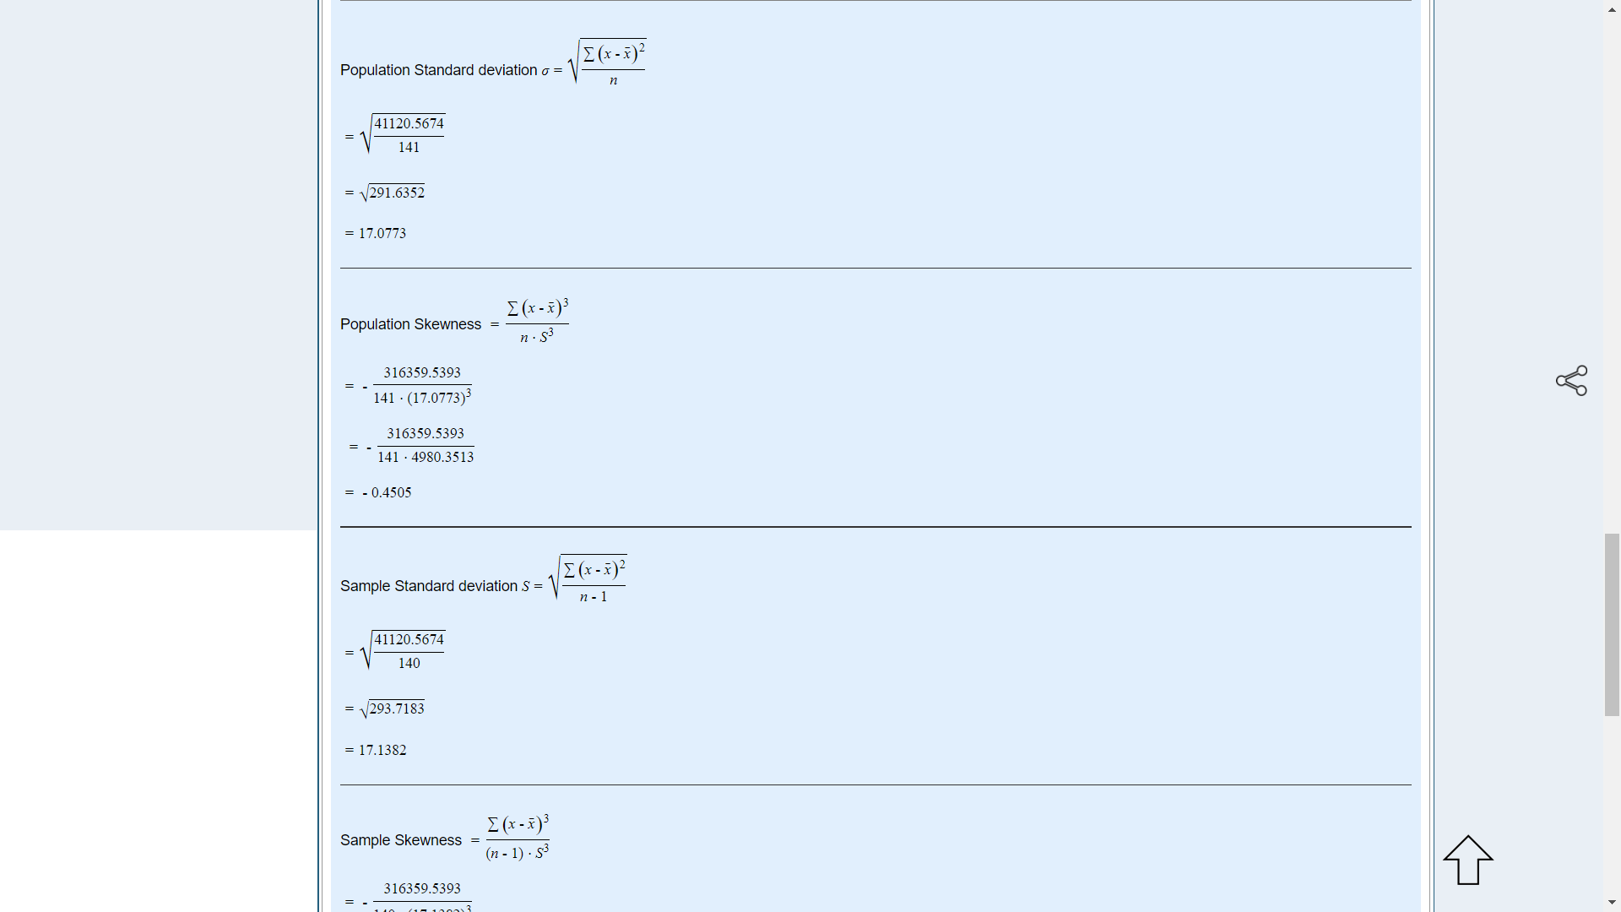
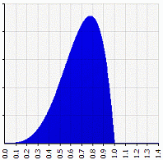
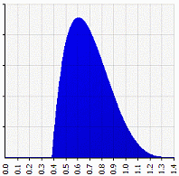
 |  |  |  |  |  | If skewness is positive, the data are positively skewed or skewed right, meaning that the right tail of the distribution is longer than the left. If skewness is negative, the data are negatively skewed or skewed left, meaning that the left tail is longer. If skewness = 0, the data are perfectly symmetrical. But a skewness of exactly zero is quite unlikely for real-world data. If skewness is less than −1 or greater than +1, the distribution is highly skewed. If skewness is between −1 and −½ or between +½ and +1, the distribution is moderately skewed. If skewness is between −½ and +½, the distribution is approximately symmetric.

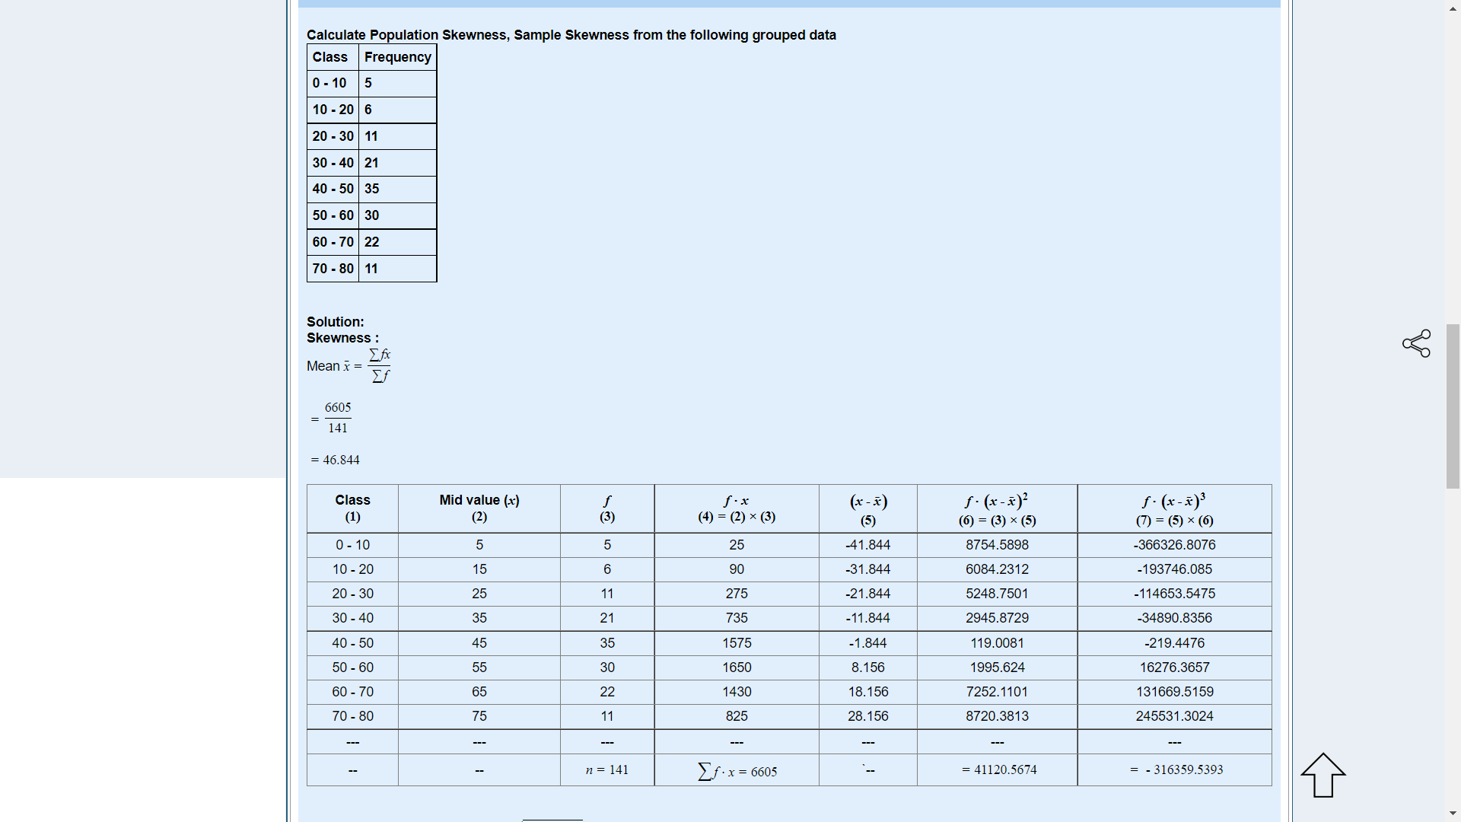
 |  |  |  |  |  |  | skewness = −0.5370 | skewness = +0.5370

 |  |  |  |  |  |  | The first one is moderately skewed left: the left tail is longer and most of the distribution is at the right. By contrast, the second distribution is moderately skewed right: its right tail is longer and most of the distribution is at the left.

X bar | 46.844

X | F | F.X | X-Xbar | f.(X-Xbar^2) | f.(X-Xbar^3)
5 | 5 | 25 | -41.844 | 8754.6017 | -366327.5527
15 | 6 | 90 | -31.844 | 6084.2420 | -193746.60276
25 | 11 | 275 | -21.844 | 5248.7637 | -114653.99418
35 | 21 | 735 | -11.844 | 2945.8871 | -34891.086291
45 | 35 | 1575 | -1.844 | 119.0118 | -219.45768544
55 | 30 | 1650 | 8.156 | 1995.6101 | 16276.195812
65 | 22 | 1430 | 18.156 | 7252.0874 | 131668.89869
75 | 11 | 825 | 28.156 | 8720.3637 | 245530.56022

Skewness Discrete
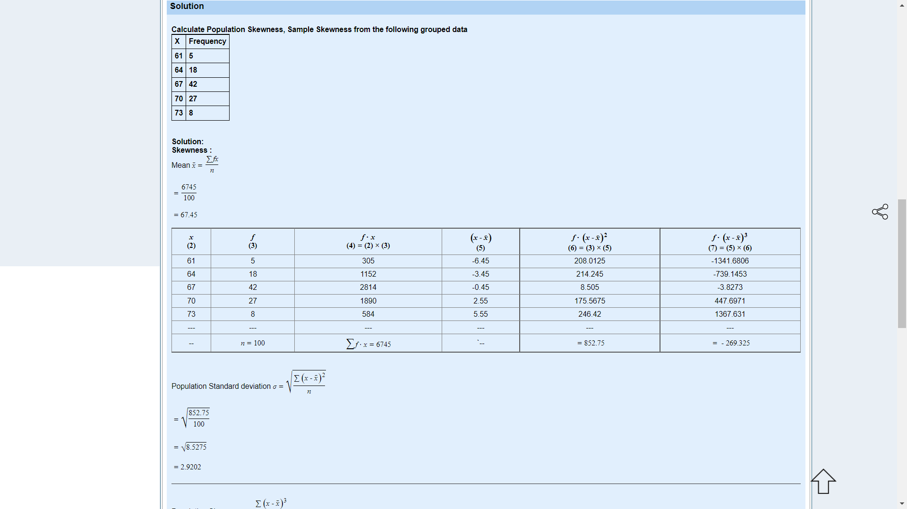

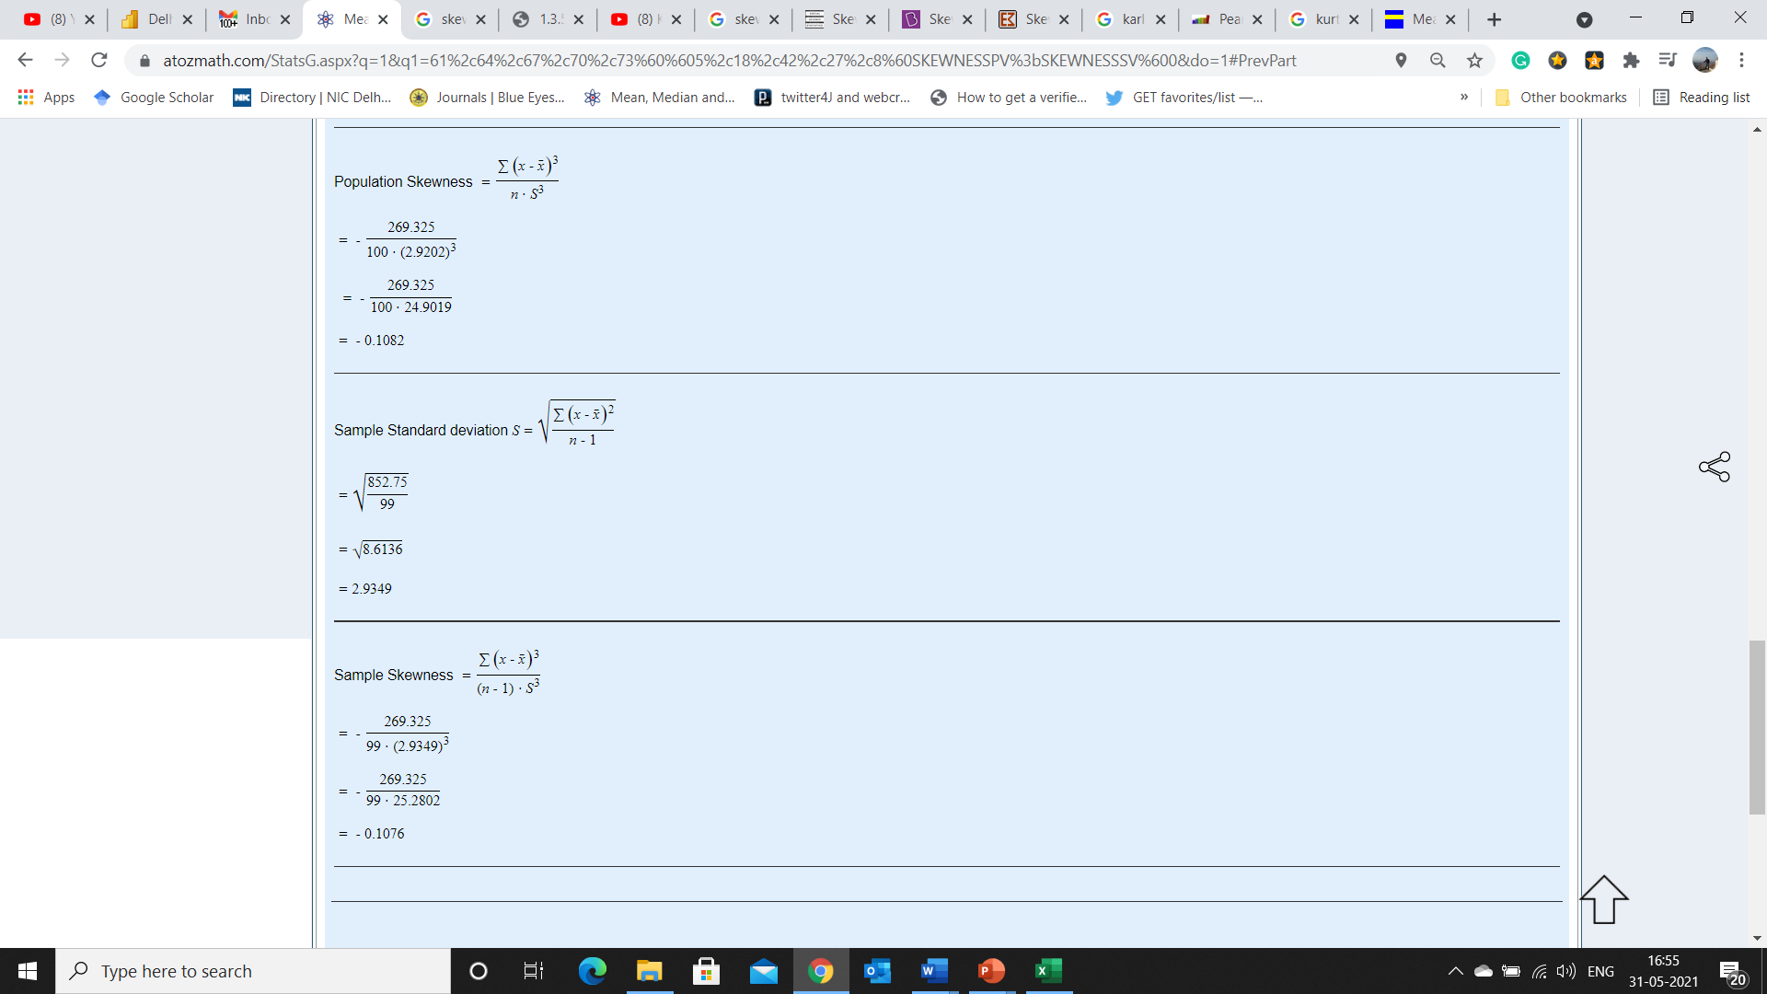

Kurtosis
As Kurtosis measures for a normal distribution is 3, we can calculate excess Kurtosis. Kurtosis ranges from 1 to infinity, as the Kurtosis measures for normal distribution is 3. Excess Kurtosis for Normal Distribution = (Kurtosis- Excess Kurtosis=(3)) = 3-3 = 0 The lowest value of Excess Kurtosis is when Kurtosis is 1 = 1-3 = -2 Excess Kurtosis = Kurtosis - 3

A normal distribution has kurtosis exactly 3 (excess kurtosis exactly 0). Any distribution with kurtosis ≈3 (excess ≈0) is called mesokurtic. A distribution with kurtosis <3 (excess kurtosis <0) is called platykurtic. Compared to a normal distribution, its tails are shorter, and often its central peak is lower and broader. A distribution with kurtosis >3 (excess kurtosis >0) is called leptokurtic. Compared to a normal distribution, its tails are longer and thinner, and often its central peak is higher and sharper.

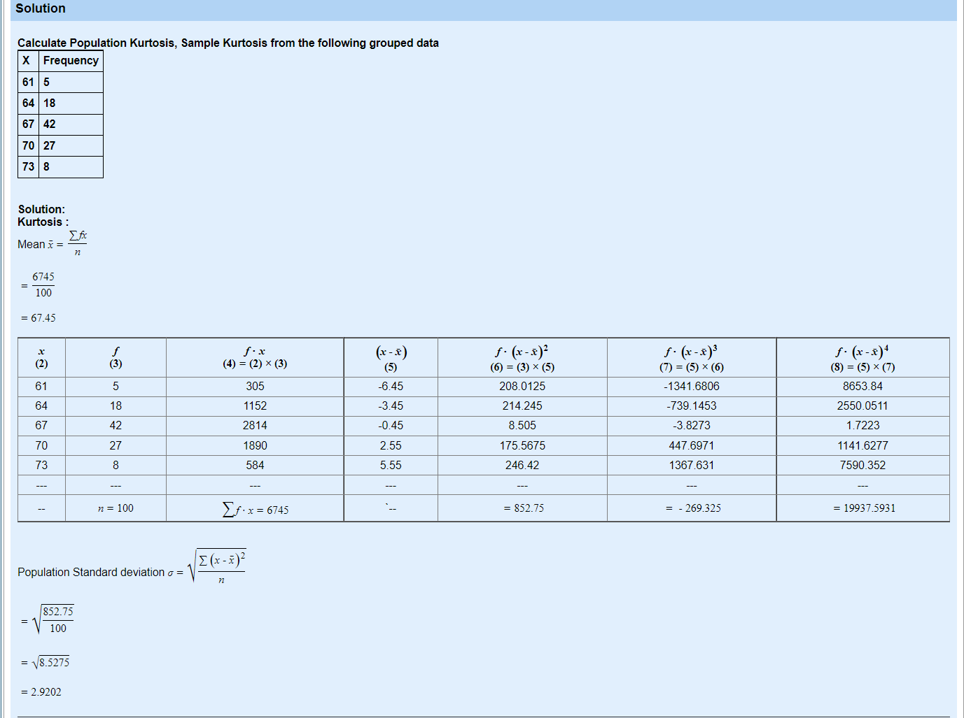

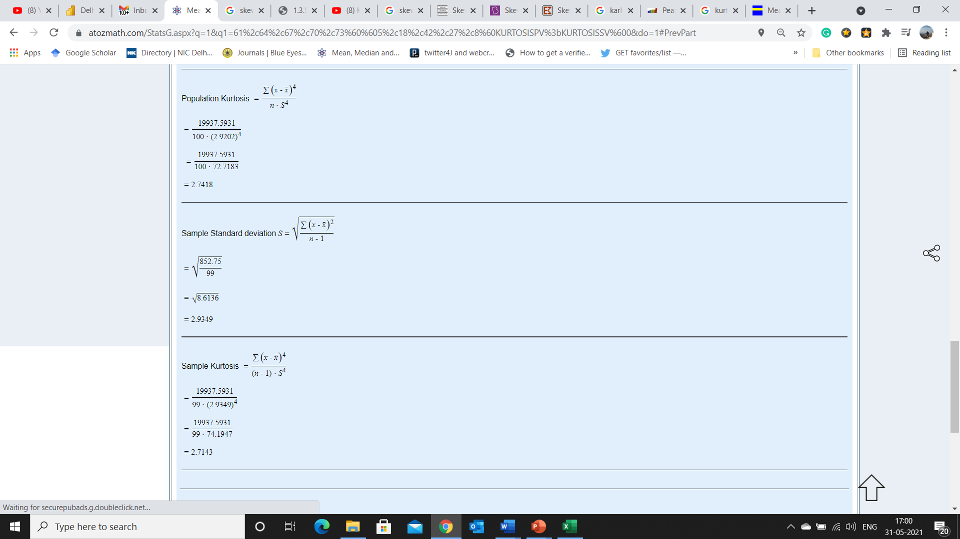

 |  | and the excess kurtosis is | g2 = | 2.7418−3 = | -0.2582

 | But this is a sample, not the population, so you have to compute the sample excess kurtosis: G2 = [99/(98×97)] [101×(−0.2872)+6)] = −0.23961 This sample is slightly platykurtic: its peak is just a bit shallower than the peak of a normal distribution.

